1. Title Page
[Instacart Analysis]

Project Name: Instacart Analysis
Date: 11/07/23
Analyst Name: Ranjitha Akula

2.Population flow
Population flow

Exclusion flag
Condition: max_order < 5
Obervations to be removed: 1,440,295
Final total count of order_products_all: 30,992,664

Orders_products_all
Orders_products_combined
Orders_products_merged

Total: 32,434,489
Total: 32,404
Total: 32,404,859

1.) The first row of gray boxes in the population flow chart represents the original datasets in their downloaded state. In the "Total" fields, you should include the count of rows when the datasets were imported into Jupyter.
2.) The second row of colored boxes in the chart represents the datasets after data manipulation, such as removing missing values and duplicates. In the "Total" fields, you should add the count of rows after performing these operations. This provides a visual overview of how the data flows during data consistency checks.
3.) The third row, indicated by colored arrows, represents the merges performed between the datasets. In the "Total" fields, include the count of rows in the merged datasets, resulting in the final dataset represented by the red box. Ensure that the final dataset does not contain exclusions based on the exclusion flag.

3.Consistency Check
Consistency checks

Dataset | Missing values | Missing values treatment | Duplicates
orders | 206,209 values are missing from days since order column. | created a crosstab between 'days_since_prior_order_ and 'order_number'. The values that had 0 corresponded with the order_number one, so this made sense. | no duplicates
products | 16 missing values under product_name | Created new datafram called 'df_prods_clean' | 5 duplicates found. Dropped duplicates. Clean prods is "df_prods_clean"
df_ords_clean_no_dups | No missing values |  | No duplicates discovered
df_prods_clean_no_dups | No missing values |  | No duplicates discovered
df_high_act_cus | No missing values |  | No duplicates discovered

4.Wrangling Steps
Wrangling steps

Columns dropped | Columns renamed | Columns' type changed | Comment/Reason
dropped 'eval_set' from orders csv |  |  | not needed
 | renamed "order_dow to orders_day_of_week to help with understanding |  | Help with understanding
 |  | order_id' to string | used as identification so needed to be string
 |  | user_id to string | used as identification so needed to be string
First Name from customers |  |  | protect privacy (PII)
surnam from customers |  |  | protect privacy (PII)
 | "Gender" from orders.csv |  | To keep columns uniform
 | "STATE" from orders.csv |  | To keep columns uniform
 | "Age" from orders.csv |  | To keep columns uniform
 | "n_dependants" from orders.csv |  | Help with understanding

5.Column Derivations
Column derivations and aggregations

Dataset | New column | Column/s it was derived from | Conditions
orders_prods_merged_grouped_aggregated | "Price_Label" | "prices" | price in [0,5]: "Low-range product" | 10,126,321
 |  |  | price in (5,15]: "Mid-range product" | 21,860,860
 |  |  | price > 15: "High-range product" | 417,678

orders_prods_merged_grouped_aggregated | "Busiest Days" | "orders_day_of_week" | if day 0 (Sat.), "Busiest day" | 6,204,182
 |  |  | if day 4 (Wed.), "Least busy" | 3,783,802
 |  |  | otherwise, "Regularly busy" | 22,416,875

orders_prods_merged_grouped_aggregated | "busiest period of day" | "order_hour_of_day" | 9am-4pm: "Most orders" | 21,118,071
 |  |  | 11pm-6am: "Fewest orders" | 1,289,137
 |  |  | otherwise: "Average orders" | 9,997,651

orders_prods_merged_grouped_aggregated | "max_order" | "order_number" | displays total number of orders each customer has made

orders_prods_merged_grouped_aggregated | "loyalty_flag" | "max_order" | max_order > 40: "Loyal customer" | 10,284,093
 |  |  | 10 < max_order <= 40: "Regular customer" | 15,876,776
 |  |  | max_order <= 10: "New customer" | 6,243,990

orders_prods_merged_grouped_aggregated | "average_price" | "prices" | displays mean price of items purchased by each user

orders_prods_merged_grouped_aggregated | "spending_flag" | "avg_price" | avg_price < 10: "Low spender" | 31,770,614
 |  |  | avg_price >= 10: "High spender" | 634,245

orders_prods_merged_grouped_aggregated | "median_days" | "days_since_prior_order" | displays median number of days each user takes between orders

orders_prods_merged_grouped_aggregated | "order_frequency_flag" | "median_days_since_prior_order" | median > 20: "Non-frequent customer" | 3,636,437
 |  |  | 10 < median <= 20: "Regular customer" | 7,208,564
 |  |  | median <= 10: "Frequent customer" | 21,559,853

Ors_prods_profiles.pkl | "region" | "state" | "midwest" | 7,603,810
 |  |  | "northeast" | 5,728,347
 |  |  | "south" | 10,801,610
 |  |  | "west" | 8,300,445

Ors_prods_profiles.pkl | "age_group" | "age" | age <= 35 "Young Adult" | 8,249,797
 |  |  | 35 < age < 65: "Middle-aged" | 14,540,121
 |  |  | age >= 65: "Senior" | 8,202,746

Ors_prods_profiles.pkl | income_group | income | income < 75000 : '025-75k' | 12,791,163
 |  |  | income 75000 to < 125000 : '075-125k' | 9,916,284
 |  |  | income >= 125000: '125k+' | 8,285,217

Ords_prods_profiles.pkl | dependants | number_dependants | Has dependants | 23,245,632
 |  |  | No dependants | 7,747,032

Ords_prods_profiles.pkl | diet_style | department_id | meat-eater | 23,085,826
 |  |  | vegetarian | 7,597,108
 |  |  | vegan | 309,730

6.Visualizations
Project Brief - | The sales team needs to know what the busiest days of the week and hours of the day are (i.e., the days and times with the most orders) in order to schedule ads at times when there are fewer orders.

Question 1 - Are particular times of the day when people spend the most money?

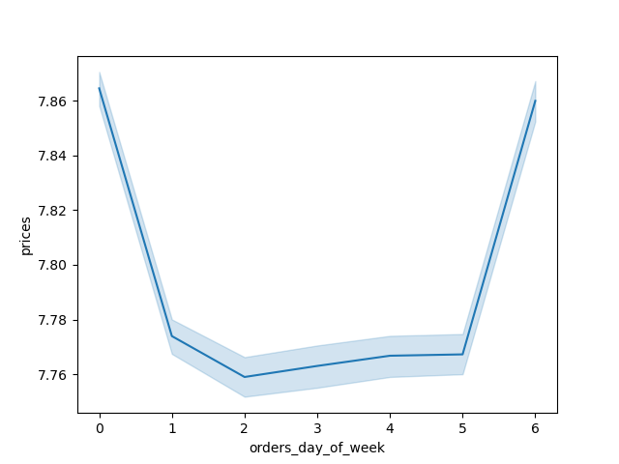
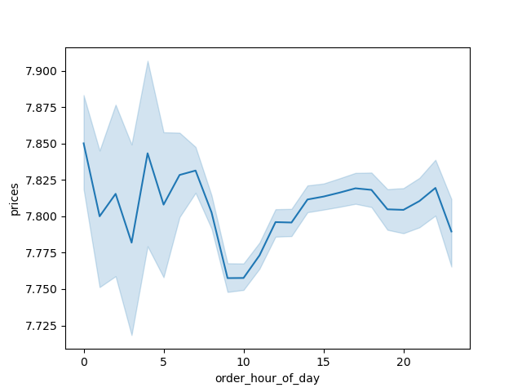

 |  | 1) The first line graph displays the average price of items for orders placed on each day of the week. The graph shows that customers spend the most money on Saturdays (day 0) and Fridays (day 6).
 |  | This could be because they are preparing for the busy weekend or getting ready for a busy week.

 |  | 2) The second line graph shows that the most money is spent during less busy hours of the day and there is a high variation in spending during this time period.
 |  | The average and outliers may be high during this time because there are not as many purchases made during this period.

Question 2: What's the distribution among users in regards to brand loyalty?

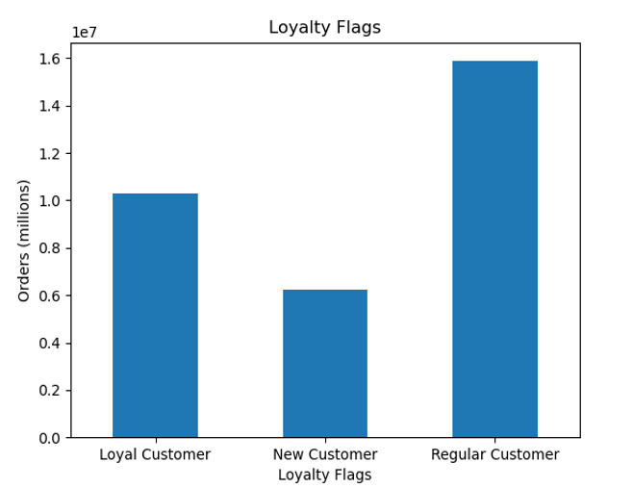

 |  |  |  |  |  | According to the bar chart on the left, the majority of orders are placed by regular customers,
 |  |  |  |  |  | while the second highest number of orders are placed by loyal customers.
 |  |  |  |  |  | Loyal customers are defined as those who have placed over 40 orders,
 |  |  |  |  |  | while regular customers are defined as those who have placed between 10 and 40 orders.

Question - 3 What are the busiest days of the week and hours of the day?


 |  |  |  |  |  |  | The bar graph on the left displays the number of orders in millions for each day of the week.
 |  |  |  |  |  |  | The x-axis represents the days of the week, with 0 being Saturday and 6 being Friday. According to the graph,
 |  |  |  |  |  |  | the busiest days of the week are Saturday and Sunday, While the slowest dats are Wednesday and followed by
 |  |  |  |  |  |  | Tuesday
 |  |  |  |  |  |  | 0=Saturday
 |  |  |  |  |  |  | 1=Sunday
 |  |  |  |  |  |  | 2=Monday
 |  |  |  |  |  |  | 3=Tuesday
 |  |  |  |  |  |  | 4=Wednesday
 |  |  |  |  |  |  | 5=Thursday
 |  |  |  |  |  |  | 6=Friday

 |  |  | X-axis Day of the week
 |  |  | Y-axis Orders(millions)



 |  |  |  |  |  |  | The histogram on the right displays the number of items ordered during each hour of the day.
 |  |  |  |  |  |  | According to the histogram, the busiest times of day are from 10AM to 4PM, with over 2.5 million items sold.
 |  |  |  |  |  |  | This could be due to customers placing orders during their lunch breaks or while they are taking a break from work.
 |  |  |  |  |  |  | The slowest times for Instacart are between 12AM and 6 AM, when less than 0.5 million items are sold.
 |  |  |  |  |  |  | This could be due to customers sleeping during these hours or not needing groceries at this time

Question- The marketing and sales teams are interested in knowing which departments have the highest frequency of product orders.

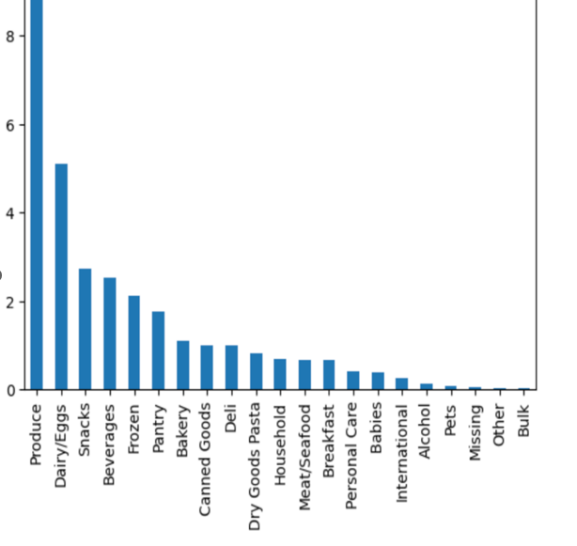

 |  |  |  |  |  |  | The bar chart displays sales for each category/department ID. According to the chart, the most popular
 |  |  |  |  |  |  | categories are Produce, Dairy/Eggs, and Snacks. This could be due to these categories being essential
 |  |  |  |  |  |  | items that customers purchase frequently. Additionally, these categories may be popular because they
 |  |  |  |  |  |  | are perishable items that customers need to purchase regularly

Question - Is there a connection between age and family status in terms of ordering habits?

The bar chart displays the customers based on marital status. According to the chart, |  |  |  |  |  |  | The line chart explores whether there is a connection between age and the number of dependants. According to the chart,
most Instacart users are married. |  |  |  |  |  |  | there is no connection between age and the number of dependants. Rather, all ages seem to have
 |  |  |  |  |  |  | dependants and also not have dependants.


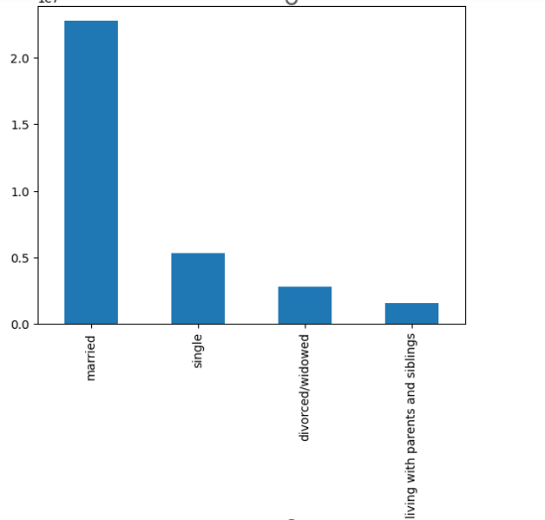

Question - | What different classifications does the demographic information suggest? Age? Income? Certain types of goods? Family status?

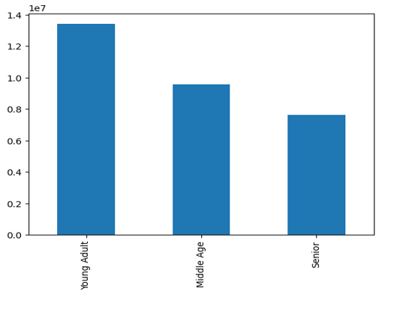
 |  |  |  | The bar chart displays the customers by age bracket. According to the chart, most Instacart customers are young adults
 |  |  |  | between the gaes of 18 and 44. The age brackets are divided into three categories: young adult (18-44),
 |  |  |  | middle age (45-65), and senior (65+).

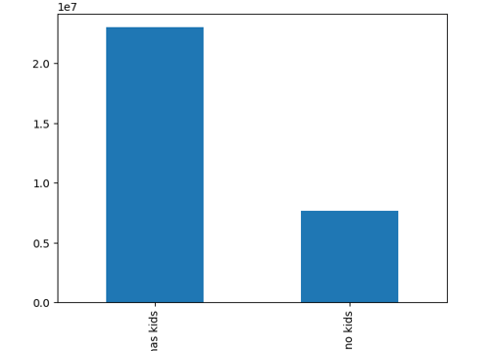

 |  |  |  | The bar chart displays the customers with and without kids. According to the chart,
 |  |  |  | customers with kids make up about 75% of the customer base.

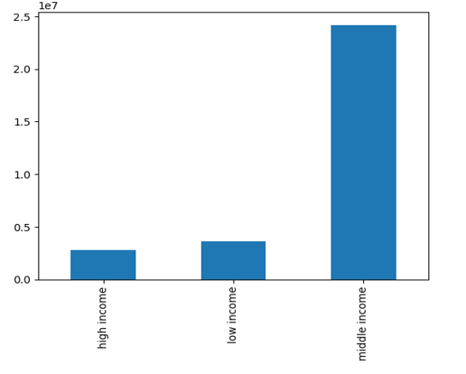

 |  |  |  |  | The bar chart displays the customers based on income. According to the chart,
 |  |  |  |  | most of the customers are middle income with an income range of $52,000 to $155,999.
 |  |  |  |  | The income brackets are divided into three categories: low income (<$52,000),
 |  |  |  |  | middle income (> $52,000 & <= $155,999), and high income (>= $156,000).

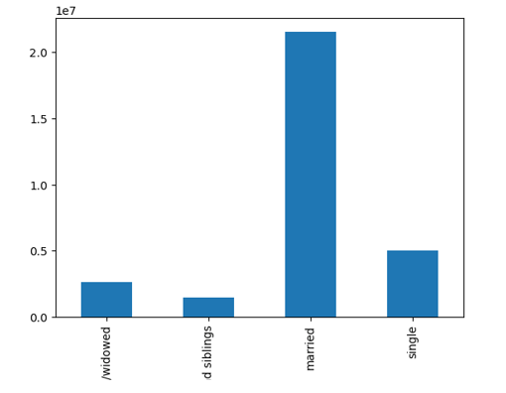

 |  |  |  |  | The bar chart displays the customers based on marital status. According to the chart, most of
 |  |  |  |  | the customers are married.

Question - What differences can you find in ordering habits of different customer profiles? Consider the price of orders, the frequency of orders, the products customers are ordering, and anything else you can think of.

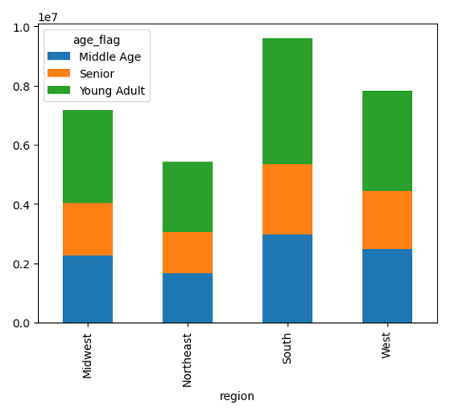

 |  |  |  |  |  |  |  |  | Bar Chart showing customers habits by age in each region

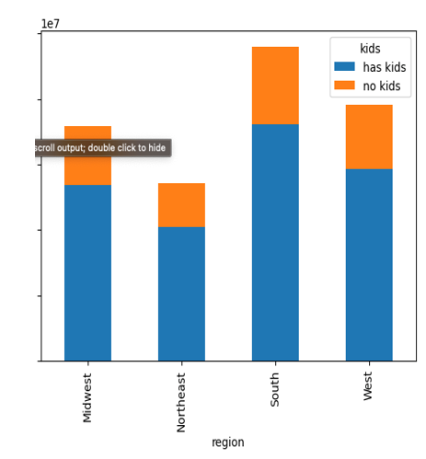

 |  |  |  |  | bar chart that shows the habits of customers with and without kids in each region

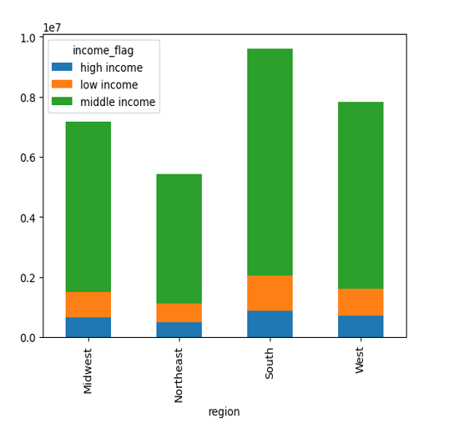

 |  |  |  |  |  | bar chart that shows the habits of customers by income in each region

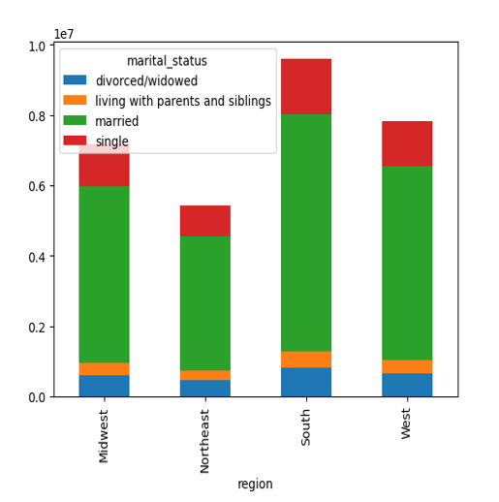

 |  |  |  |  | bar chart that shows the habits of customers by marital status in each region

 |  | Conclusion - The regions seem to be consistent across customer profiles

Additional 4.9 Visualizations



 |  |  |  |  |  |  |  | Histogram shows the price of items and the frequency at which they are purchased.
 |  |  |  |  |  |  |  | The frequency of items purchased significantly drops off once the price is higher than $15.00.

 |  |  |  |  |  |  |  | Line chart that shows the range of money spent on items for each day of the week.
 |  |  |  |  |  |  |  | Most spending occurs on the weekend.

